Sheet1
 |  |  |  |  |  |  |  |  |  | Pandas is a open source data analysis and manupulation tool

 |  |  |  |  |  |  |  |  |  | Two objects in pandas
 |  |  |  |  |  |  |  |  |  | Series | Column in a table Is called series
 |  |  |  |  |  |  |  |  |  | Dataframe

Data Scarcity: In the past, large, high-quality datasets were scarce. Collecting, cleaning, and labeling data was a time-consuming and expensive process.

The development of specialized hardware like GPUs (Graphics Processing Units) and TPUs (Tensor Processing Units) was crucial for accelerating machine learning tasks.

AI: The big picture of creating intelligent machines.
ML: Teaching machines to learn from data.
DL: A powerful technique within ML that uses neural networks to learn complex patterns.

Deep Learning is like a super-powered version of Machine Learning. It can automatically learn complex patterns directly from raw data, without the need for extensive feature engineering.

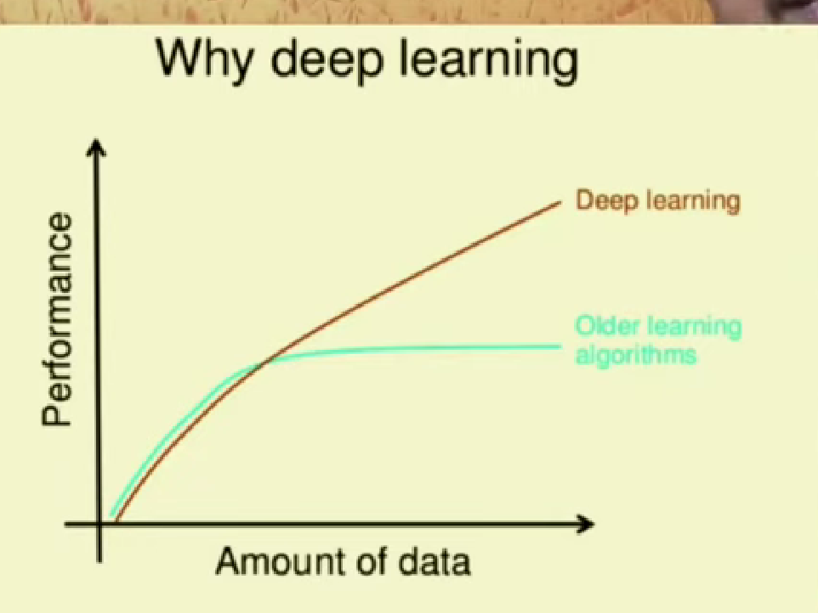

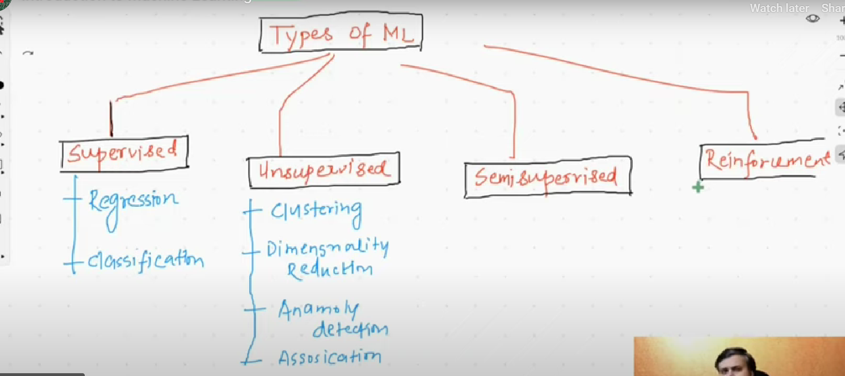
 |  |  |  |  |  |  |  |  |  |  |  |  | Clustering

 |  |  |  |  |  |  |  |  |  |  |  | Grouping similar data points together

 |  |  |  |  |  |  |  |  |  |  |  |  | Dimensionality reduction

 |  |  |  |  |  |  |  |  |  |  |  |  | Reducing the number of features in a dataset while preserving important information.

 |  |  |  |  |  |  |  |  |  |  |  |  | Visualizing high-dimensional data in 2D or 3D

In Supervised Learning, you have a dataset with both input data and the corresponding correct output. The machine learning model learns the mathematical relationship between these inputs and outputs. And try to make predictions on new data

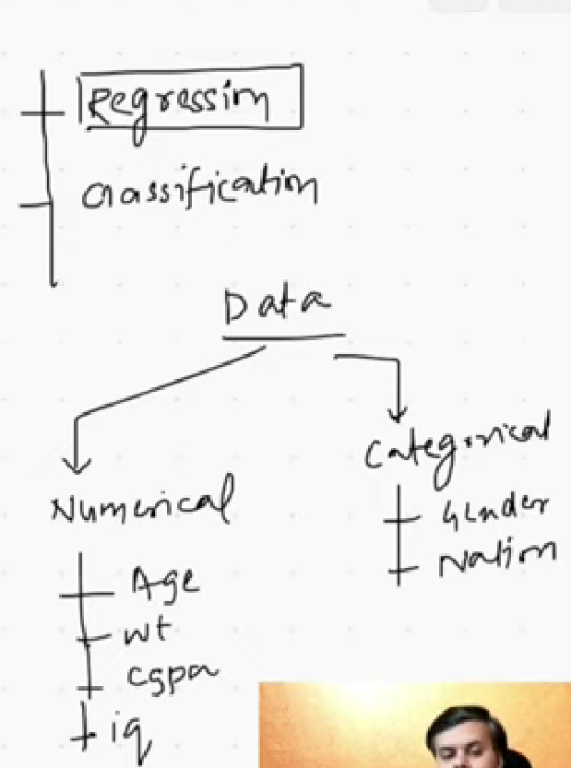

 | In unsupervised learning, there's no predefined output or target variable.

 | Semi supervised machine learning:In this approach, we train a model on a dataset that contains both labeled and unlabeled data.,However, labeling a massive dataset of images can be time-consuming and expensive.

 | Reinforcement Learning is a type of machine learning where an agent learns to make decisions by interacting with an environment

 |  | Batch/offline ML

 |  | Data Processing: The entire dataset is processed at once.
 |  | Model Training: The model is trained on the entire dataset in a single training session.
 |  | Model Deployment: Once trained, the model is deployed and used to make predictions.
 |  | Model Updates: To update the model, it needs to be retrained on the entire dataset again.
 |  | Diasadvantage:
 |  | Inflexibility to Real-Time Data:

 |  | Batch learning models are trained on a static dataset, making them less adaptable to real-time changes in data distribution.

 |  | Online Machine Learning (sequentiai learning)

 |  | Online machine learning is a method where a model is trained on a continuous stream of data, one data point at a time. Unlike batch learning, where the entire dataset is processed at once, online learning allows for incremental updates to the model.

 |  | Real-time Applications: Systems that require immediate responses, such as recommendation systems, ad targeting, and fraud detection.

 |  | learning Rate : How frequently u train the model

 |  | Challenges in machine learning:
 |  | 1. Data Collection
 |  | 2. Insufficient data
 |  | 3. Non representative data
 |  | 4. sampling bias
 |  | 5. Poor quality data
 |  | 6. Irrelevant features |  | Grabage in --> Grabage out
 |  | 7. overfitting
 |  | 8. Underfitting

 |  | Machine learning development life cylcle:

 |  |  | 1. Frame the problem
 |  |  | 2. Gathering data (API,WEB SCRAPPING) |  | DATawarehouse --> ETL
 |  |  | 3. Data preprocessing | NORMALIZE,REMOVE MISSING VALUES,OUTLIERS
 |  |  | 4. EDA | Visualization,univariate,bivariate analysis
 |  |  | 5. Feature engineering and selection
 |  |  | 6. Model training and evaluation(different algorithms used for training dataset and then choose the best one )
 |  |  | 7. ensemble learning --> comboiination of multiple models to make one powerful model
 |  |  | 8. Model deployment
 |  |  | 9. testing --> A/B testing
 |  |  | 10 optimize

 |  |  | SIMPLE LINEAR REGRESSION : |  |  | Simple Linear Regression: Involves only one independent variable.

 |  |  | Simple Linear Regression is a statistical method used to model the relationship between two variables: an independent variable (x) and a dependent variable (y). It aims to find a linear equation that best represents this relationship, allowing us to predict the value of the dependent variable based on the independent variable.

 |  |  | MULTIPLE LINEAR REGRESSION :Involves more than one independent variable

 |  |  | ist step we can do is plot the data

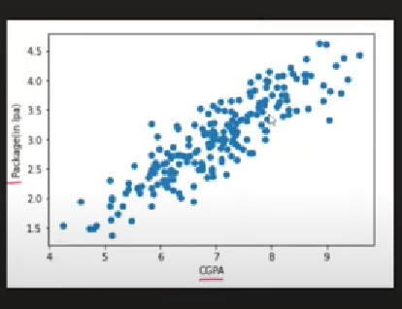
 |  |  |  |  |  |  |  | Fitting the model means we try to findout the mathematical relationship between our independent and dependent variables

 |  |  |  |  |  | sort of linear data

 |  |  |  |  |  |  | y= mx+b |  | y= dependent variable |  | package
 |  |  |  |  |  |  | m= slope |  | x = independent variable |  | cgpa
 |  |  |  |  |  |  | b = y intercept
 |  |  |  |  |  |  |  |  | m slope == jayda , dependent variable is highly dependent on x variable

 |  |  | 2nd step --> now we try to findout the best fit line that makes less mistake

